Sheet1
REPORT OF THE EXPENSES FROM THE FUND RAISED
PRODUCT DESCRIPTION

MEN | WOMEN | KIDS | OTHER ESSENTIALS
VEST(GANJEE) | MEKHALA | T-SHIRT | COLGATE
GAMUSHA(WRAPPERS) | CHADDAR | F/C PAPER(DISTAS) | SHAMPOO SACHET
 | PETTICOAT | DRAWING PENCIL 4B | CARRY BAGS
 |  | PEN | PONDS POWDER
 |  | ERASER | DETERGENT BAR
 |  | SHARPNER | BATHING SOAP
 |  | FOOTBALL | MIRROR

SECTION | SLNO | PARTICULARS | QUANTITY | RATE | GSTIN | PAN | CGST | SGST | TOTAL
MEN | 1 | VEST(GANJEE) | 200 | 43 | 18ABLPA7628N1Z6 | ABLPA7628N |  |  | 8600
 | 2 | GAMUSHA(WRAPPERS) | 200 | 24 | 18AOBPA4583M1ZR | AOBPA4583M | 427.5 | 427.5 | 17955
WOMEN | 3 | MEKHALA | 300 | 41 | 18AOBPA4583M1ZR | AOBPA4583M
 | 4 | CHADDAR | 300 | 55 | 18ABLPA7628N1Z6 | ABLPA7628N |  |  | 16500
 | 5 | PETTICOAT | 300 | 76.2 | 18ALVPG9459M1ZY |  | 571.5 | 571.5 | 24003
KIDS | 6 | T- SHIRT | 150 | 76 | 18ABFPC9918F1ZM |  | 300 | 300 | 12000
 | 7 | FOOTBALL | 5 | 536 | 18ABYPB5821H1ZE |  | 321 |  | 3000
 | 8 | F/C PAPER(DISTAS) | 5 REAM | 357.14 | 18AACFJ5931B1Z0 | AACFJ5931B | 150.15 | 150.15 | 2800
 | 9 | DRAWING PENCIL 4B | 40 PIECE | 8.93 | 18AACFJ5931B1Z0 | AACFJ5931B
 | 10 | ERASER | 40 PIECE | 2.23 | 18AACFJ5931B1Z0 | AACFJ5931B
 | 11 | SHARPNER | 40 PIECE | 2.23 | 18AACFJ5931B1Z0 | AACFJ5931B
 | 12 | PEN | 80 PIECE | 2.23 | 18AACFJ5931B1Z0 | AACFJ5931B
OTHER ESSENTIALS | 13 | COLGATE | 60 | 570 | 18AJCPS2808M1ZU |  |  |  | 3964
 | 14 | SHAMPOO SACHET | 120PIECE | 112 | 18AJCPS2808M1ZU
 | 15 | CARRY BAGS | 1KG | 120 | 18AJCPS2808M1ZU
 | 16 | PONDS POWDER | 60 | 570 | 18AJCPS2808M1ZU
 | 17 | DETERGENT BAR | 36 | 342 | 18AJCPS2808M1ZU
 | 18 | SOAP | 60 | 570 | 18AJCPS2808M1ZU
 | 19 | MIRROR | 60 | 1680 | 18AJCPS2808M1ZU
TOTAL |  |  |  |  |  |  |  |  | 88822

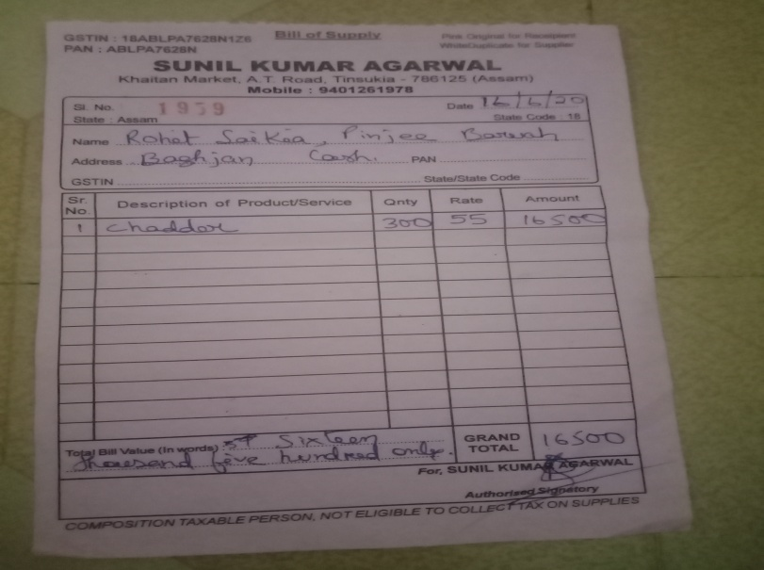
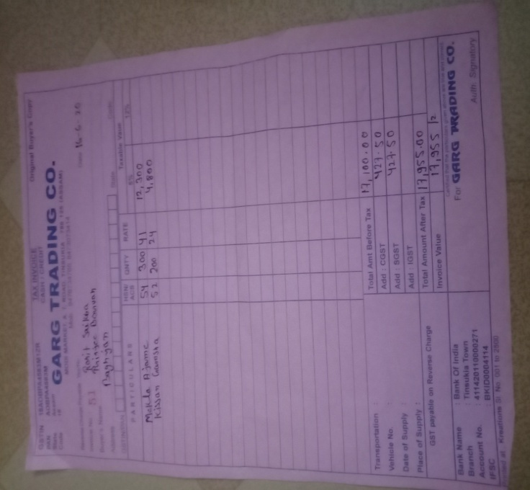

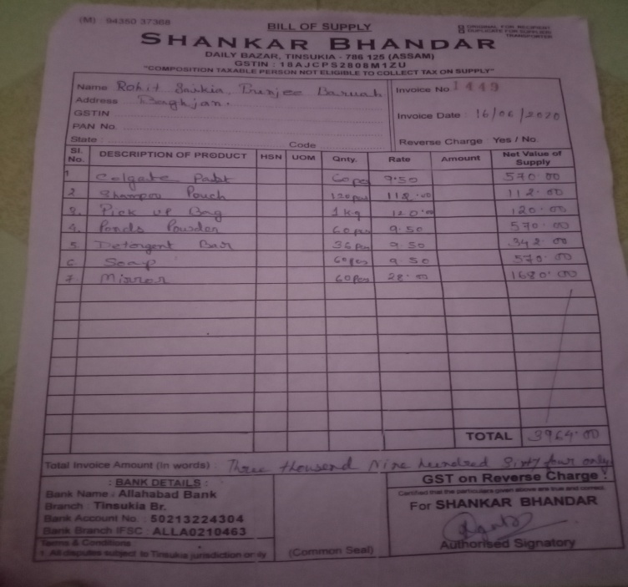

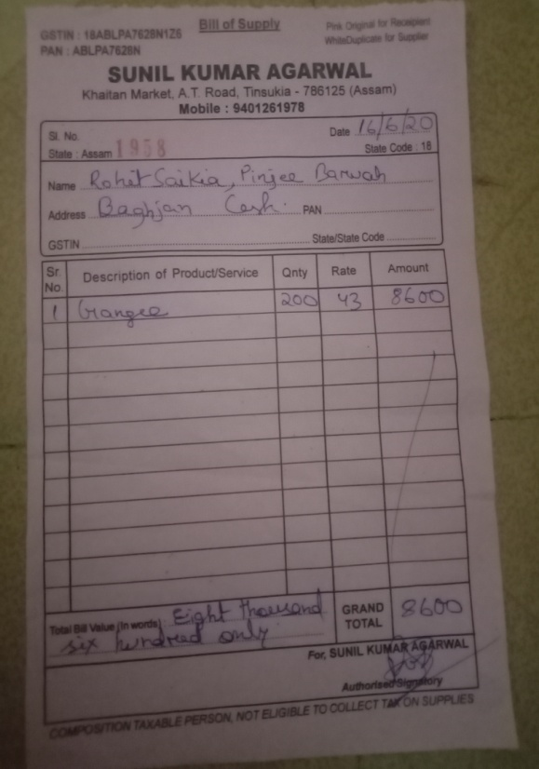

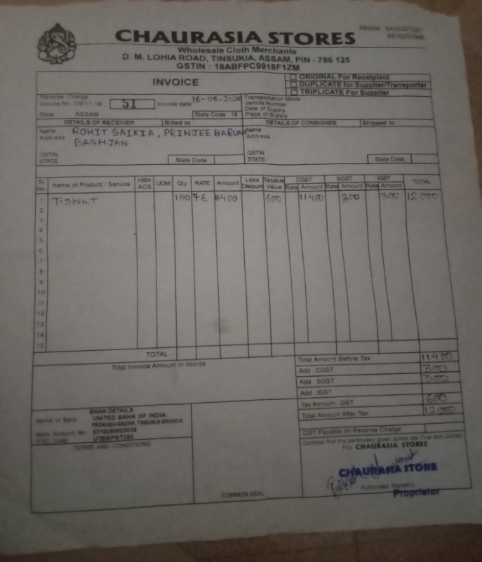

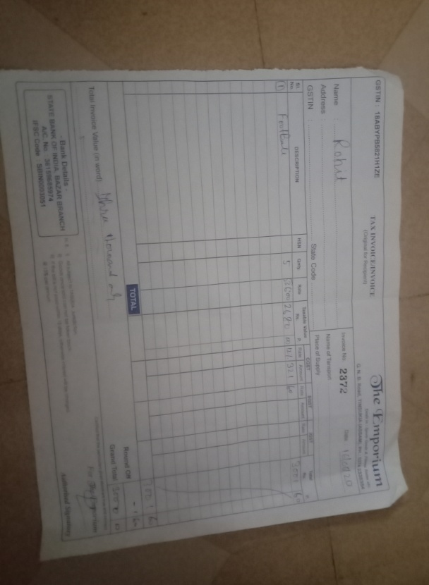

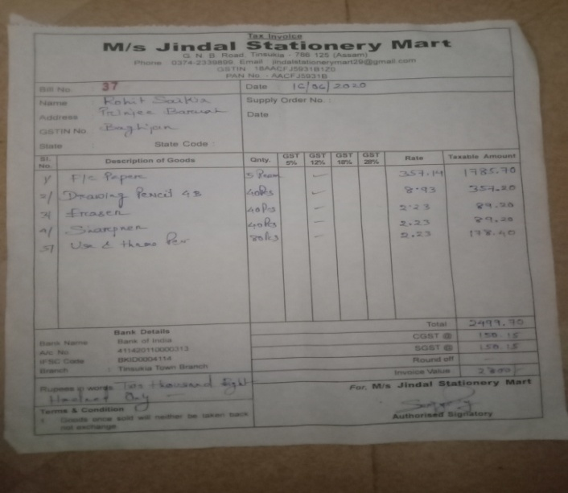

FUND RAISED- Rs. 119,452
SPEND- Rs.88,822 |  |  | REMAINING- Rs. 30,630
Buyer's Name: Rohit Saikia and Team

NOTE: Despite buying according to the entire budget, we have an amount of Rs 30,630 left in our hands for the victims which shall be divided among the 16 families(Rs 1915), whose houses were completely destroyed in the fire.

